Top (2)
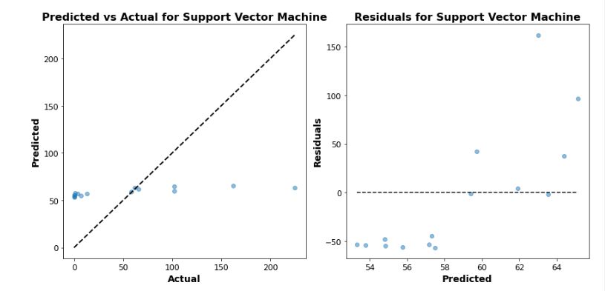
 | Top Performing Machine Model and Results for Production Tanks 23MT : GUM Addition Phase
Model Type | Model | Train MSE | Train MSE- Tuned | Test MSE | Test MSE- Tuned | Train R2 | Train R2- Tuned | Test R2 | Test R2- Tuned | Best Parameters
Ensemble/Tree Based | Random Forest Regressor | 0.00 | 0.00 | 0.02 | 0.01 | 1.00 | 1.00 | 0.98 | 0.98 | max_depth': None, 'n_estimators': 200

